model selection
Apporaches/Models | Logistic Regression(Count vectroiser)(tuned model) | Random Forest(Count vectroiser)(tuned model) | Xg-Boost (Count vectroiser)(tuned model) | Logistic Regresson(tfidf)(tuned model) | Naïve Bais(tfidf)(tuned model) | RF(tfidf)(tuned model) | Xg-boost(tfidg)(tuned model) | Lexicon Based(Vader From Nltk) | Deep learnig Model Bidirectional-Lstm(31) epoch-35 (word2vec embedded)
Data Available | 745 rows | 745 rows | 745 rows | 745 rows | 745 rows | 745 rows | 745 rows | 745 rows | 745 rows
Data Sample | 80/20(train/ test)% (628/157) | 80/20(train/ test)% (628/157) | 80/20(train/ test)% (628/157) | 80/20(train/ test)% (628/157) | 80/20(train/ test)% (628/157) | 80/20(train/ test)% (628/157) | 80/20(train/ test)% (628/157) | 100% of data | 80/20(train/ test)
Preprocessing | 1.removing stop words 2. removing puncutation 3.removing extra spaces 4.removing digits 5.normalisig the words by lemmatization 6.stripping the sentence 7. lowering the senteces 8.takin the individual the words as features as ng-grams 1-1 | 1.removing stop words 2. removing puncutation 3.removing extra spaces 4.removing digits 5.normalisig the words by lemmatization 6.stripping the sentence 7. lowering the senteces 8.takin the individual the words as features as ng-grams 1-1 | 1.removing stop words 2. removing puncutation 3.removing extra spaces 4.removing digits 5.normalisig the words by lemmatization 6.stripping the sentence 7. lowering the senteces 8.takin the individual the words as features as ng-grams 1-1 | 1.removing stop words 2. removing puncutation 3.removing extra spaces 4.removing digits 5.normalisig the words by lemmatization 6.stripping the sentence 7. lowering the senteces 8.takin the individual the words as features as ng-grams 1-1 | 1.removing stop words 2. removing puncutation 3.removing extra spaces 4.removing digits 5.normalisig the words by lemmatization 6.stripping the sentence 7. lowering the senteces 8.takin the individual the words as features as ng-grams 1-1 | 1.removing stop words 2. removing puncutation 3.removing extra spaces 4.removing digits 5.normalisig the words by lemmatization 6.stripping the sentence 7. lowering the senteces 8.takin the individual the words as features as ng-grams 1-1 | 1.removing stop words 2. removing puncutation 3.removing extra spaces 4.removing digits 5.normalisig the words by lemmatization 6.stripping the sentence 7. lowering the senteces 8.takin the individual the words as features as ng-grams 1-1 | 1.removing stop words 2. removing puncutation 3.removing extra spaces 4.removing digits 5.normalisig the words by lemmatization 6.stripping the sentence 7. lowering the senteces 8.takin the individual the words as features as ng-grams 1-1 | 1.removing the digits 2.removing the puncutation,single char, alpha num,non ascii 3. tokenising the reviews and padding the reviews as the sequences and taking the max lenght 250 char per the review by taking the median of the text length in the train data 4.choosing the pretrained model glove with the words of 100dimension vectors
Data sampling Technique | As the targets is under sampled and like probability of the target albels is 80/20 ratio of the , used smote with the ranom state of 40. Normalising the target labels after splitting with the startify(splitting train and test with normilizng target labels). before OverSampling, counts of label '1': 150 before OverSampling, counts of label '0': 478 After OverSampling, counts of label '1': 478 After OverSampling, counts of label '0': 478 | probability of the target albels is 80/20 ratio of the , used smote with the ranom state of 40. Normalising the target labels after splitting with the startify(splitting train and test with normilizng target labels). before OverSampling, counts of label '1': 150 before OverSampling, counts of label '0': 478 After OverSampling, counts of label '1': 478 After OverSampling, counts of label '0': 478 | probability of the target albels is 80/20 ratio of the , used smote with the ranom state of 40. Normalising the target labels after splitting with the startify(splitting train and test with normilizng target labels). before OverSampling, counts of label '1': 150 before OverSampling, counts of label '0': 478 After OverSampling, counts of label '1': 478 After OverSampling, counts of label '0': 478 | probability of the target albels is 80/20 ratio of the , used smote with the ranom state of 2. Normalising the target labels after splitting with the startify(splitting train and test with normilizng target labels). before OverSampling, counts of label '1': 150 before OverSampling, counts of label '0': 478 After OverSampling, counts of label '1': 478 After OverSampling, counts of label '0': 478 | probability of the target albels is 80/20 ratio of the , used smote with the ranom state of 2. Normalising the target labels after splitting with the startify(splitting train and test with normilizng target labels). before OverSampling, counts of label '1': 150 before OverSampling, counts of label '0': 478 After OverSampling, counts of label '1': 478 After OverSampling, counts of label '0': 478 | probability of the target albels is 80/20 ratio of the , used smote with the ranom state of 2. Normalising the target labels after splitting with the startify(splitting train and test with normilizng target labels). before OverSampling, counts of label '1': 150 before OverSampling, counts of label '0': 478 After OverSampling, counts of label '1': 478 After OverSampling, counts of label '0': 478 | probability of the target albels is 80/20 ratio of the , used smote with the ranom state of 2. Normalising the target labels after splitting with the startify(splitting train and test with normilizng target labels). before OverSampling, counts of label '1': 150 before OverSampling, counts of label '0': 478 After OverSampling, counts of label '1': 478 After OverSampling, counts of label '0': 478 | No sampling | As the under smapling hanndled in neural network no problem of under sampling emmbedding is done
Accuracy | 0.83439490446 | 0.82165605096 | 0.82802547771 | 0.87261146497 | 0.87261146497 | 0.84076433121 | 0.84076433121 | 0.67133757962 | 0.8853503184713376
Confusion Matrix | negative positive negative 99 21 positive 5 32 | negative positive negative 100 20 positive 8 29 | negative positive negative 102 18 positive 9 28 | negative positive negative 114 6 positive 14 23 | negative positive negative 117 3 positive 17 20 | negative positive negative 102 18 positive 7 30 | negative positive negative 104 16 positive 9 28 | negative positive negative 351 247 positive 11 176 | negative positive negative 115 5 positive 13 24
Classification Report | precision recall f1-score support 0 0.95 0.82 0.88 120 1 0.60 0.86 0.71 37 accuracy 0.83 157 macro avg 0.78 0.84 0.80 157 weighted avg 0.87 0.83 0.84 157 | precision recall f1-score support 0 0.93 0.83 0.88 120 1 0.59 0.78 0.67 37 accuracy 0.82 157 macro avg 0.76 0.81 0.78 157 weighted avg 0.85 0.82 0.83 157 | precision recall f1-score support 0 0.92 0.85 0.88 120 1 0.61 0.76 0.67 37 accuracy 0.83 157 macro avg 0.76 0.80 0.78 157 weighted avg 0.85 0.83 0.83 157 | precision recall f1-score support 0 0.89 0.95 0.92 120 1 0.79 0.62 0.70 37 accuracy 0.87 157 macro avg 0.84 0.79 0.81 157 weighted avg 0.87 0.87 0.87 157 | precision recall f1-score support 0 0.87 0.97 0.92 120 1 0.87 0.54 0.67 37 accuracy 0.87 157 macro avg 0.87 0.76 0.79 157 weighted avg 0.87 0.87 0.86 157 | precision recall f1-score support 0 0.94 0.85 0.89 120 1 0.62 0.81 0.71 37 accuracy 0.84 157 macro avg 0.78 0.83 0.80 157 weighted avg 0.86 0.84 0.85 157 | precision recall f1-score support 0 0.92 0.87 0.89 120 1 0.64 0.76 0.69 37 accuracy 0.84 157 macro avg 0.78 0.81 0.79 157 weighted avg 0.85 0.84 0.85 157 | precision recall f1-score support Negative 0.97 0.59 0.73 598 Positive 0.42 0.94 0.58 187 accuracy 0.67 785 macro avg 0.69 0.76 0.65 785 weighted avg 0.84 0.67 0.69 785 | precision recall f1-score support 0 0.90 0.96 0.93 120 1 0.83 0.65 0.73 37 accuracy 0.89 157 macro avg 0.86 0.80 0.83 157 weighted avg 0.88 0.89 0.88 157
Auc | 0.84493243243 | 0.80855855856 | 0.80337837838 | 0.78581081081 | 0.75777027027 | 0.83040540541 | 0.81171171171 | 0.76406649616 | 0.803490990990991
F1 score(harmonic mean) | 0.71111111111 | 0.67441860465 | 0.67469879518 | 0.69696969697 | 0.66666666667 | 0.70588235294 | 0.69135802469 | 0.57704918033 | 0.72727272727
Cross validation (k=10 folds) mean of accuracy | 0.91562902188 | 0.90402187902 | 0.90487451737 | 0.9371541184 | 0.96582207207 | 0.94701576577 | 0.93984073359 | NA | 36-epochs 250 -maxlengt 31 -bi lstm batch-64 ,100 dim vectors
Auc-roc curve
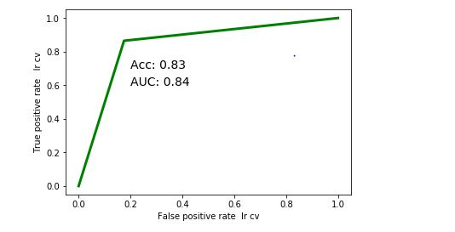
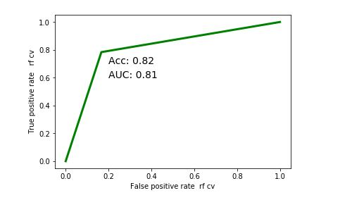
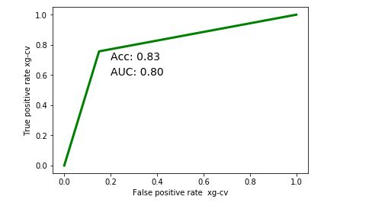
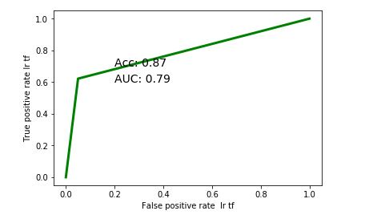
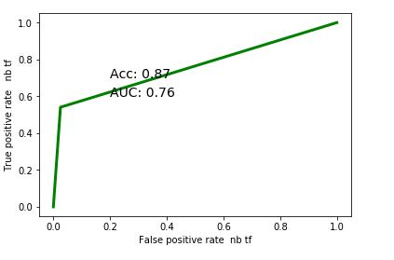
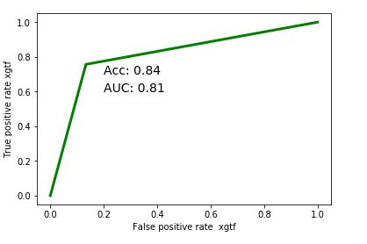
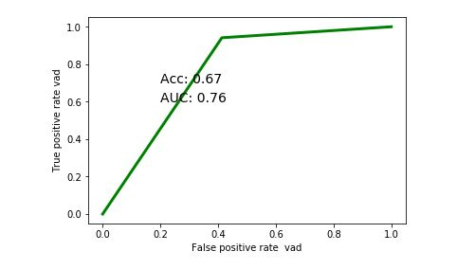
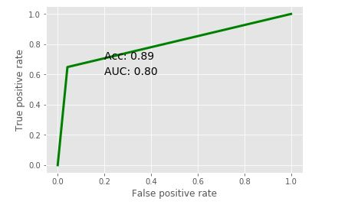
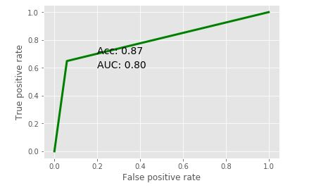
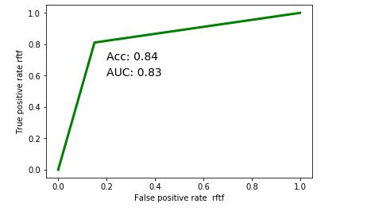
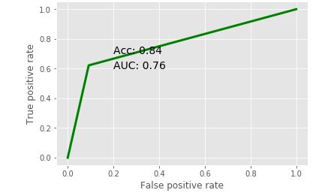

1.Choosing the Lstm Model(35-epochs 250 -maxlengt 31 -bi lstm batch-64 ,100 dim vectors) for the predection based on the parameters of the F1 score() and Auc-score the accurcy compared to the other models
F1-score is considered when the False Negatives and False Positives are crucial. Accuracy can be used when the class distribution is similar while F1-score is a better metric when there are imbalanced classes
Auc-score= AUC is classification-threshold-invariant. It measures the quality of the model's predictions irrespective of what classification threshold is chosen.
2.Choosing the Lstm is compare to other models is it coniders the sequence of the sentense and stores the context. where the other models consider the individual text as the independent features and compromise on the relation in the sentense.
3. As per the use case the importance of the false postives is more that the compromising on the type2(false negetive) error slightly compared to the other models.

If correctly identifying positives is important for us, then we should choose a model with higher Sensitivity. However, if correctly identifying negatives is more important, then we should choose specificity as the measurement metric.

Note that in binary classification, recall of the positive class is also known as “sensitivity”; recall of the negative class is “specificity”.

Accuracy should be considered when the True Positives and True negatives are more important while F1-score is considered when the False Negatives and False Positives are crucial. Accuracy can be used when the class distribution is similar while F1-score is a better metric when there are imbalanced classes

